1
 | FURUKAWA AUTOMOTIVE SYSTEMS LIMA PHILIPPINES, INC. |  |  |  |  | Employee Management System Work Instructions |  |  |  |  |  | DOCUMENT TYPE: | WORK INSTRUCTION | PAGE NO.: | 1 / 4
 |  |  |  |  |  |  |  |  |  |  |  | DOCUMENT NO.: | REVISION NO.: | EFFECTIVITY DATE:
 |  |  |  |  |  |  |  |  |  |  |  | 1 | 1
CAR MODEL |  | MATERIALS |  |  |  |  |  | DEVICES / EQUIPMENT USED |  |  | REFERENCE
N/A |  | Computer Application |  |  |  |  |  | Computer |  |  | N/A

FORMS |  |  |  |  | PURPOSE |  |  |  | SCOPE
 |  |  |  |  | To provide work instructions on how to update employee details for production using Employee Management System. |  |  |  | To detail the process on how to update the employee details, skill level and line shifting schedule using Employee Management System.


Get started by going to your dektop and look for your Employee Management System Logo. URL : http://172.25.116.188:3000/emp_mgt/
1

3
5
Choose "EmpMgtSys GA Login" Menu Item.
Click "Shuttle Allocation" menu item on sidebar

EmpMgtSys GA Login
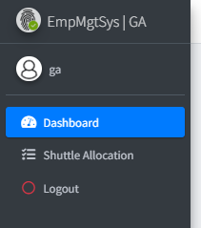
 |  |  |  |  |  |  |  |  |  | Amazon.com: Ethernet Cable Labels

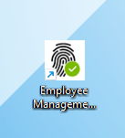

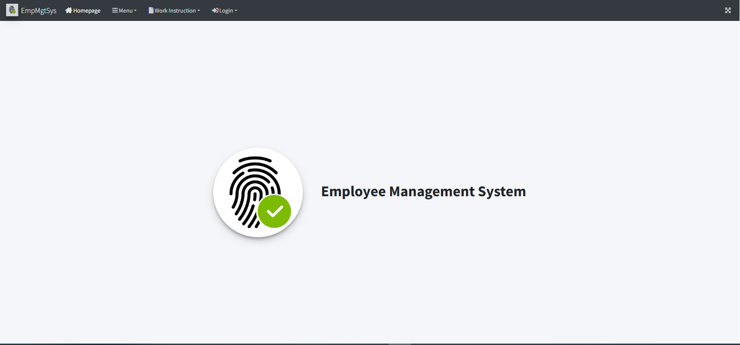
Access Employee Management System - Viewer Page
2

4

Login to Employee Management System - GA using Account Credentials (Only for GA). . Enter the ID number to access the system.

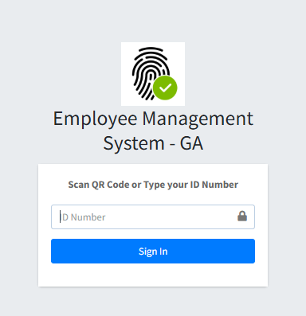

 |  |  |  |  |  |  |  |  |  |  |  |  |  |  |  | s

0
DR/CN No. |  |  | Revision No. | Effectivity Date |  |  | Details of change
 |  |  | 1 |  |  |  | First Issue

2
 | FURUKAWA AUTOMOTIVE SYSTEMS LIMA PHILIPPINES, INC. |  |  |  |  | Employee Management System Work Instructions |  |  |  |  |  | DOCUMENT TYPE: | WORK INSTRUCTION | PAGE NO.: | 2 / 4
 |  |  |  |  |  |  |  |  |  |  |  | DOCUMENT NO.: | REVISION NO.: | EFFECTIVITY DATE:
 |  |  |  |  |  |  |  |  |  |  |  | 1 | 1
CAR MODEL |  | MATERIALS |  |  |  |  |  | DEVICES / EQUIPMENT USED |  |  | REFERENCE
N/A |  | Computer Application |  |  |  |  |  | Computer |  |  | N/A

FORMS |  |  |  |  | PURPOSE |  |  |  | SCOPE
 |  |  |  |  | To provide work instructions on how to update employee details for production using Employee Management System. |  |  |  | To detail the process on how to update the employee details, skill level and line shifting schedule using Employee Management System.

5.2.1
5.2.3

Also, the outgoing count will autocompute for the current outgoing shuttle route to count.
After clicking Outgoing Shuttle Allocation Table Tab Menu, this will show search filter, outgoing shuttle allocation table and its shuttle allocation per shuttle route table. Use those search filters to search for recent outgoing shuttle allocation.

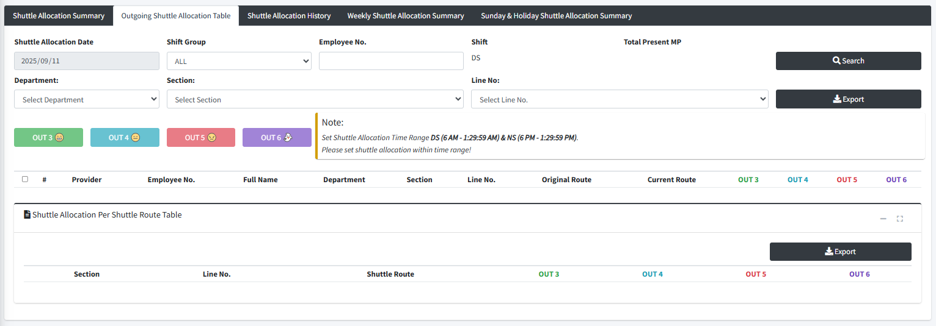
 |  |  |  |  |  |  |  |  |  | Amazon.com: Ethernet Cable Labels

5.2.4

Select all, one or more checkbox on row then click the desired outgoing time button. This will show you message box that the set outgoing shuttle allocation was set successfully

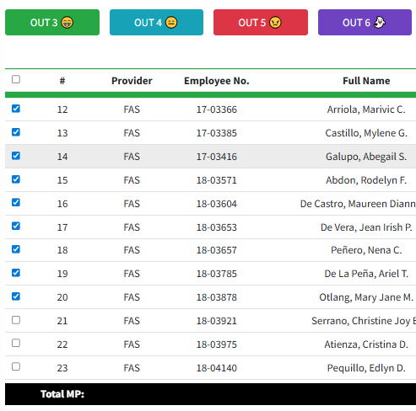

5.2.2

Results will appear on table.

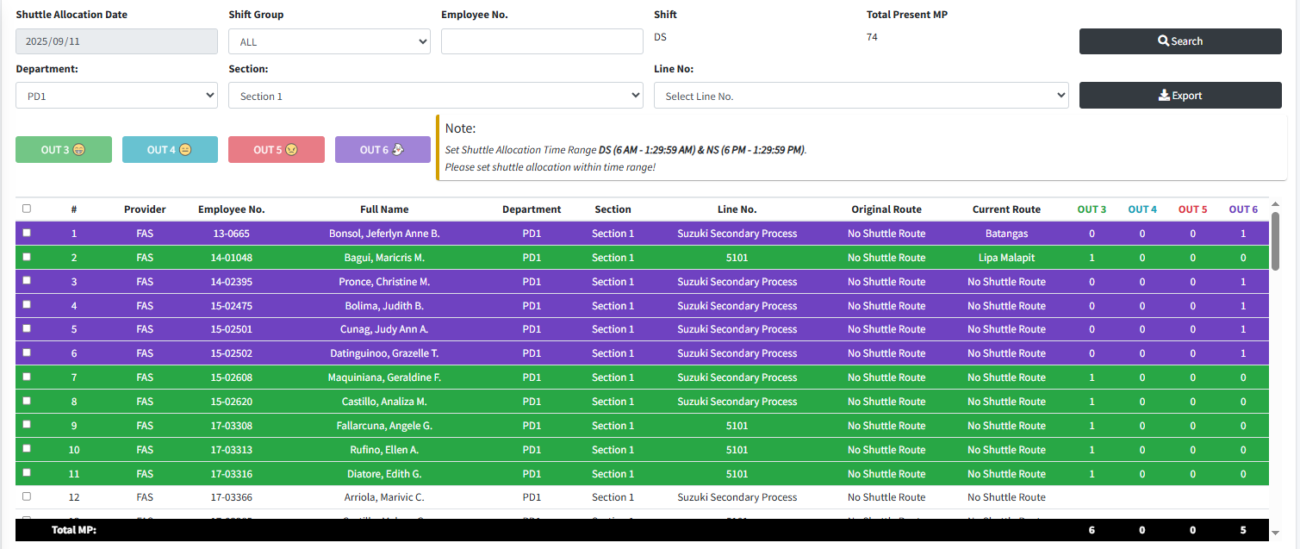

 |  |  |  |  |  |  |  |  |  |  |  |  |  |  |  | s

0
DR/CN No. |  |  | Revision No. | Effectivity Date |  |  | Details of change
 |  |  | 1 |  |  |  | First Issue

3
 | FURUKAWA AUTOMOTIVE SYSTEMS LIMA PHILIPPINES, INC. |  |  |  |  | Employee Management System Work Instructions |  |  |  |  |  | DOCUMENT TYPE: | WORK INSTRUCTION | PAGE NO.: | 3 / 4
 |  |  |  |  |  |  |  |  |  |  |  | DOCUMENT NO.: | REVISION NO.: | EFFECTIVITY DATE:
 |  |  |  |  |  |  |  |  |  |  |  | 1 | 1
CAR MODEL |  | MATERIALS |  |  |  |  |  | DEVICES / EQUIPMENT USED |  |  | REFERENCE
N/A |  | Computer Application |  |  |  |  |  | Computer |  |  | N/A

FORMS |  |  |  |  | PURPOSE |  |  |  | SCOPE
 |  |  |  |  | To provide work instructions on how to update employee details for production using Employee Management System. |  |  |  | To detail the process on how to update the employee details, skill level and line shifting schedule using Employee Management System.

5.2.5
5.2.7

Those employee that has outgoing time will be highlighted based on outgoing time. Also those outgoing count will autocompute on Shuttle Allocation Per Shuttle Route Table.
The row will be updated and current shuttle route chosen will appear. Also, the outgoing count will autocompute again for the updated current shuttle route to count.

 |  |  |  |  |  |  |  |  |  | Amazon.com: Ethernet Cable Labels
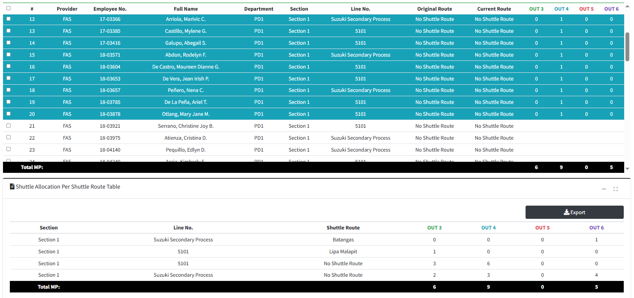
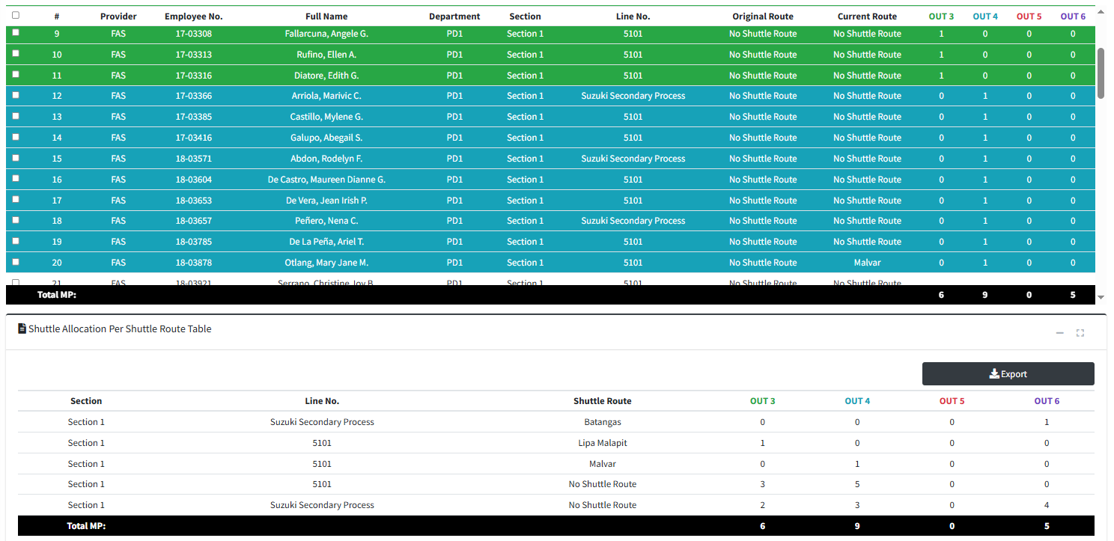

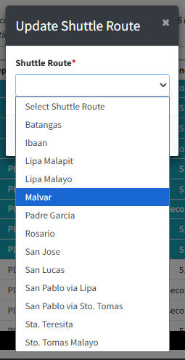

5.2.6

To update current shuttle allocation, click the desired row from current route column.
A small form with shuttle route dropdown will appear. Choose from the dropdown option and click Save button.
 |  |  |  |  |  |  |  |  |  |  |  |  |  |  |  | s

0
DR/CN No. |  |  | Revision No. | Effectivity Date |  |  | Details of change
 |  |  | 1 |  |  |  | First Issue

4
 | FURUKAWA AUTOMOTIVE SYSTEMS LIMA PHILIPPINES, INC. |  |  |  |  | Employee Management System Work Instructions |  |  |  |  |  | DOCUMENT TYPE: | WORK INSTRUCTION | PAGE NO.: | 4 / 4
 |  |  |  |  |  |  |  |  |  |  |  | DOCUMENT NO.: | REVISION NO.: | EFFECTIVITY DATE:
 |  |  |  |  |  |  |  |  |  |  |  | 1 | 1
CAR MODEL |  | MATERIALS |  |  |  |  |  | DEVICES / EQUIPMENT USED |  |  | REFERENCE
N/A |  | Computer Application |  |  |  |  |  | Computer |  |  | N/A

FORMS |  |  |  |  | PURPOSE |  |  |  | SCOPE
 |  |  |  |  | To provide work instructions on how to update employee details for production using Employee Management System. |  |  |  | To detail the process on how to update the employee details, skill level and line shifting schedule using Employee Management System.

5.3.1

Click "Shuttle Allocation History" Tab. This will show search filter, shuttle allocation history table and its shuttle allocation per shuttle route table.
Use those search filters to search for recent or old shuttle allocation history.

 |  |  |  |  |  |  |  |  |  | Amazon.com: Ethernet Cable Labels

5.3.2

This will appear all results including list of employees and outgoing count computations.

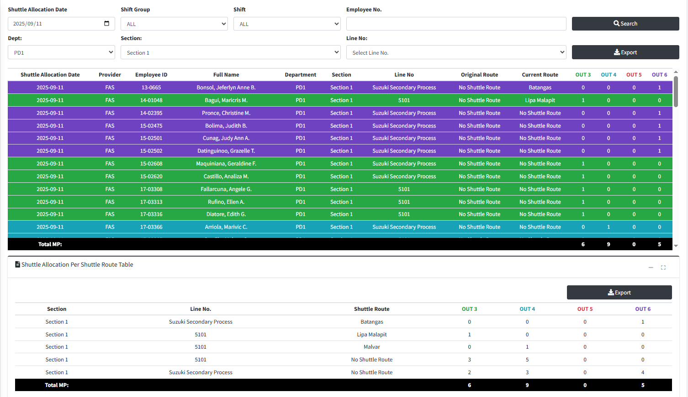

 |  |  |  |  |  |  |  |  |  |  |  |  |  |  |  | s

0
DR/CN No. |  |  | Revision No. | Effectivity Date |  |  | Details of change
 |  |  | 1 |  |  |  | First Issue

